Background
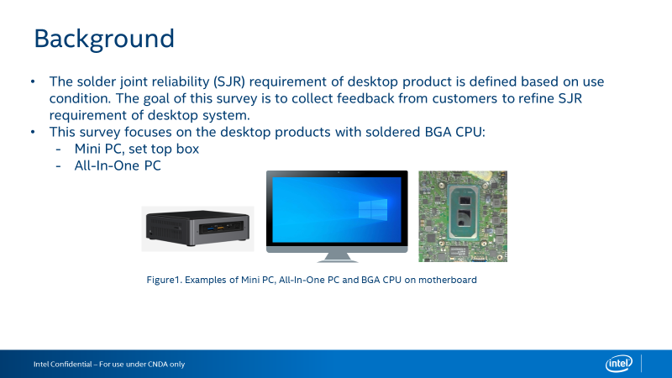

Questionnaire
Intel Confidential - Shared Under NDA

Category | Question | Example Answer | Name of the BGA Product | Name of the BGA Product
Product | What Intel BGA products are used in desktop products? | Eg., i7-10510U | Intel TGL_UP3 i7-1165G7
Category | Question | Example Answer | Desktop BGA Product - Mini PC, set top box (Solder BGA, not Socket LGA) | Desktop BGA Product - All - In - One (Solder BGA, not Socket LGA)
 |  |  | 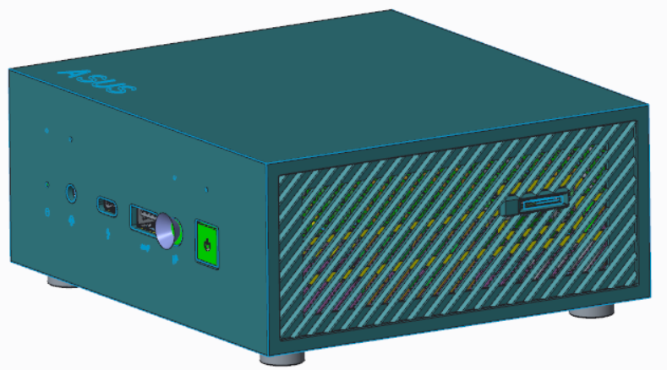 | 
Board Level Testing - JEDEC Standard Temperature Cycle | Do you perform board level JEDEC standard temperature cycle (TC) testing for solder joint reliability? (if no, skip this section) | Eg., Yes or No | YES
 | What loading parameters do you use for your board level TC? | Eg., Loaded from thermal solution, not-loaded | Loaded from thermal solution
 | What board thickness do you use for your board level TC? | Eg., 1.6mm (62 mils) | 1.5mm
 | What temperature range do you use for your board level TC? | Eg., -40 oC to +85 oC | -40 oC to +85 oC , duration: 27 cycles
 | What cycle length (including dwell time) do you use for your board level TC? | Eg., 1 hour cycle length, 15 minute dwell | 1.5 hours cycle length , 45 minute dwell
 | Do you use adhesives on the Intel SOC for your board level TC? | Eg., Yes or No | YES
 | How do you monitor your board level TC results? | Eg., In situ electrical monitoring or Dye & Pull or Cross Section | visual inspection
 | What is the passing criteria for your board level TC? | Eg., No resistance spikes >1000 Ohm or Dye & Pull Crack Percentage (<80%) | function work normally
System Level Testing | What are your test conditions for system level reliability testing? | Eg., Drop test | Drop test, shock, vibration, strain gauge
Product Temperature Conditions | What is the expected average package idle temperature of the Intel SOC inside the system? | Eg., 50C | 48℃ @ambient 25℃
 | What is the expected full running temperature at TDP power of the Intel SOC inside the system? | Eg., 80C | 86℃ @ambient 25℃ 95℃ @ambient 35℃
 | What is the expected average external temperature of the system? | Eg., The system will be in an air conditioned room at an average temperature of 24 oC | Use this product in environments with ambient temperatures between 0℃ and 35℃
Power Cycles | How many power cycles a day do you anticipate the product going through? | Eg., It will cycle from On to Off 4 times a day | N/A
 | How many active/standby cycles a day do you anticipate your end product going through? | Eg., It will cycle from Active to Idle 6 times a day | N/A
Board Level Adhesives | Do you have experience using board level adhesives? (if no, skip this section) | Eg., Yes or No | Yes
 | If using board level adhesives on the Intel SOC or another BGA, what kind of adhesive application do you use? | Eg., Corner glue, short/long edge glue, corner underfill | Corner glue
 | How do you decide whether to use board level adhesives? | Eg., Only use corner glue if drop test failed. | double-side SMT manufacture process requirement
 | What adhesive brand and model do you use? | Eg., Brand ABC, Model XYZ | DYMAX 3069 (UV)

